Sheet1
 | Document No. |  | Issue No. |  | Issue Date |  | Review and Replace Date |  | Authorised By
 | GFF499MC |  | 2 |  | 07.05.2025 |  | 28.05.2026
 | Document Title |  | GC- 10 Onion Bhaji 1000g
 |  |  |  |  |  |  |  |  | Magda Shah
Document amendments reason for change | Film Changed |  | Page 1 of 1 |  |  | Previous Issue Date |  | 07.05.2025 | Uncontrolled copy unless signed original

COBHL-1B10X2T |  | Gazebo -Morrison |  | Onion Bhaji 1000g | CHILLED
STEP 1 |  |  |  |  |  | STEP 2


Tray: HW308/60 open ECO tray- (PKESS001-12) |  |  |  |  |  | Onion Bhaji (GFF 121R)-100g (1X10 Units)-1000g
Film: 25mu Weld Seal Mono PET Film (300mm x 1000lm) - (PKCLI001-01)-Clifton Packaging
STEP 3
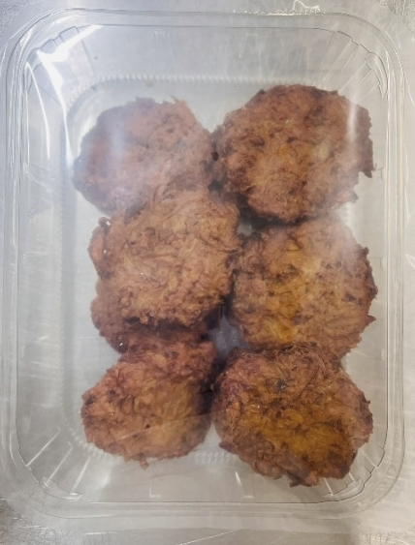

10 Onion Bhajis 1000g
TOTAL WEIGHT: 1000g
ALLERGY ALERT: None

